NOW
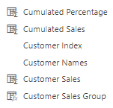
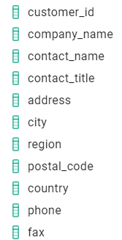
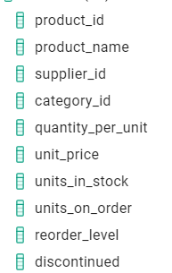
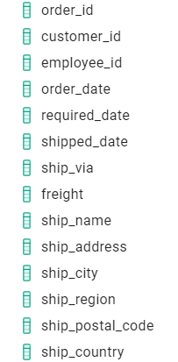
dim customers | dim products | dim Date | Fact Order
 |  | order_date


 |  |  |  | Cước phí vận chuyển

 |  |  | Customer Sales = unit_price*quantity*discount

Old
dim customers | dim products | dim Date | dim metric | Fact Order
 |  | order_date

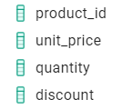

 |  |  |  |  | lấy từ bảng order_details

 |  |  |  | Total sale = unit_price*quantity*discount

